Table of contents
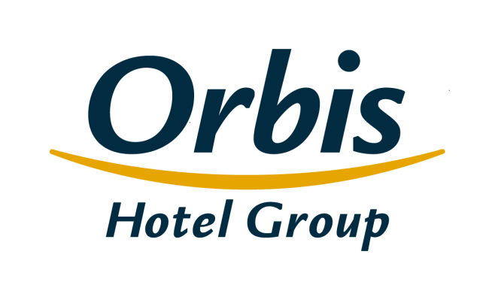
Selected financial and operating figures Orbis Group April 27, 2017

Table of contents
1. | Consolidated income statement
2. | Consolidated statement of financial position
3. | Consolidated statement of changes in shareholders’ equity
4. | Consolidated statement of cash flows
5. | Operating segments
6. | Geographical segments
7. | Income statement – analytical approach
8. | Operating ratios
9. | The Orbis Group’s hotel portfolio
10. | Structure of the Orbis Group's clients
11. | Average employment in Orbis Group
12. | The structure of the Group
13. | The Issuer’s shareholders

Structure of the Group
Table of contents

 | The structure of the Group

Orbis Spółka Akcyjna
parent company
SUBSIDIARIES
Orbis Kontrakty Sp. z o.o.
Accor Pannonia Hotels Zrt.
Orbis Corporate Sp. z o. o.*
UAB Hekon
100%
100%
100%
95,08%
99,92%
PBP OR
Accor Hotels Romania s.r.l.
Katerinska Hotel s.r.o.
Accor Pannonia Slovakia, s.r.o.
5 Hotel Kft.
H-Development CZ a.s.
Business Estate Entity a.s.
99,92%
99,92%
100%
100%
100%
100%

 | * The Company excluded from consolidation, it does not pursue business activities

