Table of contents
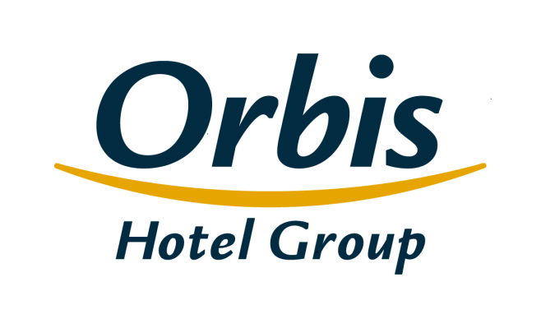
Selected financial and operating figures Orbis Group October 30, 2019

Table of contents
1. | Consolidated income statement
2. | Consolidated statement of financial position
3. | Consolidated statement of changes in shareholders’ equity
4. | Consolidated statement of cash flows
5. | Operating segments
6. | Geographical segments
7. | Division of revenues
8. | Income statement – analytical approach
9. | Operating ratios
10. | The Orbis Group’s hotel portfolio
11. | Structure of the Orbis Group's clients
12. | Average employment in Orbis Group
13. | The structure of the Group
14. | The Issuer’s shareholders

Structure of the Group
Table of contents

 | The structure of the Group

Orbis Spółka Akcyjna
parent company
SUBSIDIARIES
Orbis Kontrakty Sp. z o.o.*
Accor Pannonia Hotels Zrt.
Orbis Corporate Sp. z o. o.**
UAB Hekon
100%
100%
100%
95,08%
99,92%
PBP OR
Accor Hotels Romania s.r.l.
Katerinska Hotel s.r.o.
Accor Pannonia Slovakia s.r.o.
99,92%
99,92%
100%
100%
5 Hotel Kft.

 | * Results and assets with equity and liabilities of Orbis Kontrakty Sp. z o.o. were classified as discontinued operations
 | * *The Company excluded from consolidation, it does not pursue business activities

