Table of contents
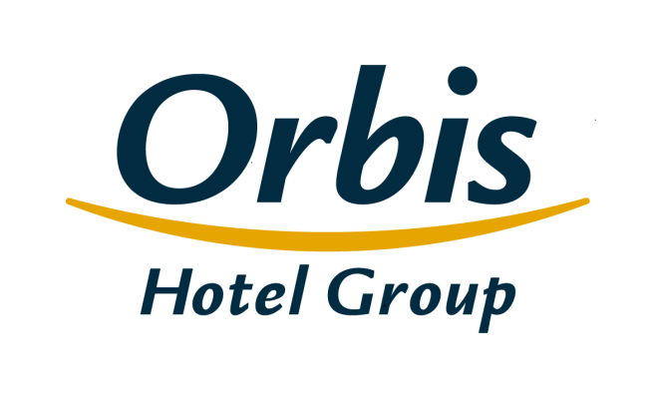
Selected financial and operating figures Orbis Group February 22, 2017

Table of contents
1. | Consolidated income statement
2. | Consolidated statement of financial position
3. | Consolidated statement of changes in shareholders’ equity
4. | Consolidated statement of cash flows
5. | Segment reporting
6 | Income statement – analytical approach
7. | Operating ratios
8. | The Orbis Group’s hotel portfolio
9. | Structure of the Orbis Group's clients
10. | Average employment in Orbis Group
11. | The structure of the Group
12. | The Issuer’s shareholders

Structure of the Group
Table of contents

 | The structure of the Group

Orbis Spółka Akcyjna
parent company
SUBSIDIARIES
Orbis Kontrakty Sp. z o.o.
Accor Pannonia Hotels Zrt.
Orbis Corporate Sp. z o. o.**
UAB Hekon
100%
100%
100%
95,08%
99,92%
PBP OR
Accor Hotels Romania s.r.l.
Katerinska Hotel s.r.o.
Accor Pannonia Slovakia, s.r.o.
Novy Smichov Gate a.s.*
H-Development CZ a.s.
Business Estate Entity a.s.
99,92%
100%
100%
100%
100%
100%

 | * On January 1, 2017, a merger of subsidiaries, i.e. Katerinska Hotel s.r.o. (merging company) with Nový Smíchov Gate a.s. (merged company) took place, in which the merging company held 100% of shares ** The Company excluded from consolidation, it does not pursue business activity

